Sheet1
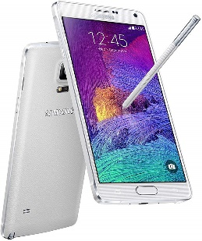
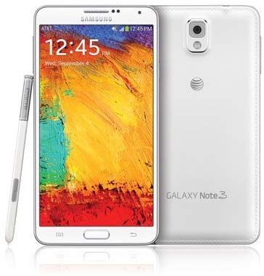

Samsung Galaxy Note 3 N900A 32GB Unlocked GSM Octa-Core Cell Phone - White | Samsung Galaxy Note 4 N910A 32GB GSM 4G LTE Smartphone, White Color | Samsung Galaxy Note 5 SM-N920T 32GB T-Mobile GSM Unlocked - Sapphire Black
Total price: $130.93 | Total price: $260.95 | Price: $159.99
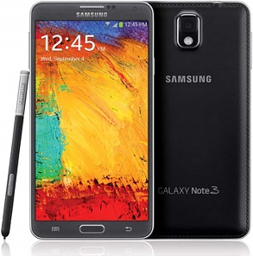
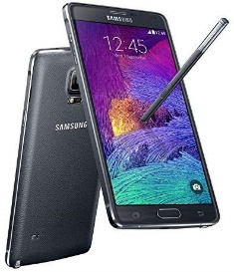

Samsung Galaxy Note 3 N900A Unlocked Cellphone, 32GB, Black | Samsung Galaxy Note 4 N910v 32GB Verizon Wireless CDMA Smartphone - Charcoal Black | Samsung Galaxy Note 5 SM-N920T 32GB Platinum Gold - T-Mobile Unlocked GSM
Total price: $132.97 | Total price: $157.93 | Price: $168.95

 |  | Samsung Galaxy Note 5 32GB GSM Unlocked - Black
 |  | Price: $187.00

 |  | Samsung Galaxy Note 5 N920A 64GB GSM Unlocked - Black
 |  | Price + Shipping: $299.99
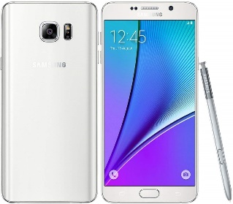

 |  | Samsung Galaxy Note 5 SM-N920A 32GB 4G LTE (AT&T) GSM Unlocked Smartphone White
 |  | Price + Shipping: $239.99


 |  | Samsung Galaxy Note 5 N920A 64GB GSM Unlocked - White
 |  | Price: $214.00

